Cover Page
Complete both the Cover Page and PreInstall Checklist tabs, then return this workbook to your Project Coordinator.
 |  |  | PreInstallation Checklist
 | Complete the yellow highlighted sections on this tab and PreInstall Checklist, then return this workbook to your Project Coordinator.
 | Note: Your installation WILL NOT be scheduled until this tab and PreInstall_Checklist are completed and returned.
How To Use This Spreadsheet
* The purpose of this spreadsheet is to collect the information and resources necessary to deploy a Cohesity Cluster.
* If you are unsure about what is being asked, hover your mouse over an item to learn more.
* You MUST Populate the YELLOW HIGHLIGHTED fields and RETURN this workbook to your coordinator BEFORE we can schedule your installation. Do your best to complete the remaining fields as well making note of any questions you have.
* Your Cohesity installation professional will contact you prior to the installation to assist with questions and ensure that they have everything needed to perform the installation.
 | Note: The tabs to collect information for Cloud and Virtual Editions are hidden by default, as are some tabs that include explanatory information helpful for filling out the spreadsheet. To reveal these tabs, open the workbook in Excel, right-click on any tab, and select Unhide.

1. Contact Information
a. | Company Name:
b. | Install Address:
c. | Customer Contact 1: | Name, Role | Email, Phone
d. | Customer Contact 2: | Name, Role | Email, Phone
e. | Cohesity Account Representative: | Name | Email, Phone
f. | Cohesity Sales Engineer: | Name | Email, Phone
g. | Cohesity Coordinator: | Name | Email, Phone

2. Reference Information |  | Go to https://my.cohesity.com/s/ for User Account Creation and Reference Information
a. | User Account Creation and Access | Go to: https://my.cohesity.com/s/login/SelfRegister
b. | Firewall Ports | See Manage Firewall Ports in Cohesity Documentation
c. | Cabling | See Initial Cluster Setup for hardware model purchased.
d. | DNS Config | See Configure Settings for more information.
e. | NTP | See Initial Cluster Setup for hardware model purchased.
f. | Security Hardening Best Practices | Cohesity Platform Security Hardening Best Practices Guide | IMPORTANT: Requirements for Security Hardening activities indicated by 'blue-box' require customer preparedness in-advance to implement features at time of installation.

 | Legend - Cell Color Meaning
 | Customer Input - REQUIRED
 | Calculation - DO NOT CHANGE
 | Important or Warning
 | Security Hardening Requirements
 | Crucial Notification!!!

PreInstall_Checklist
Required Information |  | Response | Notes

1. Site Readiness
a. | Installation Type? |  | * For Virtual Edition & Cloud Edition, see Unhide tabs 2 and 3
b. | Rack Grid # and RU # where hardware is to be installed? (Cohesity HW On-site ONLY) |  | Customer is responsible for racking and cabling of 3rd party hardware
c. | Have power capacity requirements been met? |  | For power consumption guidance, see 3.b thru 3.e
d. | Are there (2) PDUs in the rack?
e. | Is the rack/cabinet depth sufficient for the hardware being installed?
f. | Is there adequate access space in front and behind racks/cabinets?
g. | Have networking cables been pulled to the rack and labeled?
h. | Is there adequate space in rack/cabinet for addtioanl cables?
i. | De we have solution sizing information from the SE? |  | For Version #, Storage Domain, Fault Tolerance, Replication Factor settings, per SE design.
j. | Do you have a KVM and is it available for us to use? (Cohesity HW On-site ONLY)
k. | Is there access to a server lift? (Cohesity HW On-site ONLY)
l. | Did you purchase your nodes through a Cohesity reseller?
m. | Have you changed any hardware configuration on the nodes, such as NICs? |  | Describe any changes you have made to the hardware configuration.
n. | Anything else we should be aware of regarding this DC and installation space?
2. Hardware Information
a. | Hardware Model?
b. | # of Nodes?
c. | Data Network Connection Type?
d. | NIC or SFP type?
e. | How many port connections should be used for this hardware installation?
f. | Switch Model we are connecting to? |  | WARNING: Use of FEX Switches with Cohesity may result in performance degradation. Contact your Sales Engineer for more information.
g. | # of Blocks | 0
h. | Rack Units (RU) Per Node or Block | FALSE
i. | Requested Cohesity OS Version (If Any)? |  | * Will install latest upgradeable LTS version unless SE Design specifies.
3. Physical Connection Requirements |  | (Cells highlighted in pink are auto-populated based on values entered above - DO NOT CHANGE)
a. | Rack Space (RU) | 0U | If installing C5000s into a 110V environment, only 2 nodes per chassis is supported. Therefore double the stated RU requirements.
b. | Power Cables Needed (# of blocks * # of outlets on PDU) | FALSE | * Cohesity C5K, C6K nodes ship with C13-C14 cables, CX8K nodes ship with C19-C20 cables. CX8K nodes only support 220v to 240v. |  | The Images below are for representation purposes only. Port layout and appearance will vary depending on the hardware model.
c. | Peak Power Required (Watts) | FALSE | Please refer to Hardware Universe site for Cohesity hardware specifications. See https://docs.cohesity.com/hardware/Matrix/hardware-universe.htm#HardwareUniverse. For OEM's please refer to your manufacturer's documentation for hardware specifications.
d. | Peak Power Required (Amps@120) | - | * CX8000 Series not supported at low voltage
e. | Peak Power Required (Amps@220) | - |  |  | Network Cabling Recommendations
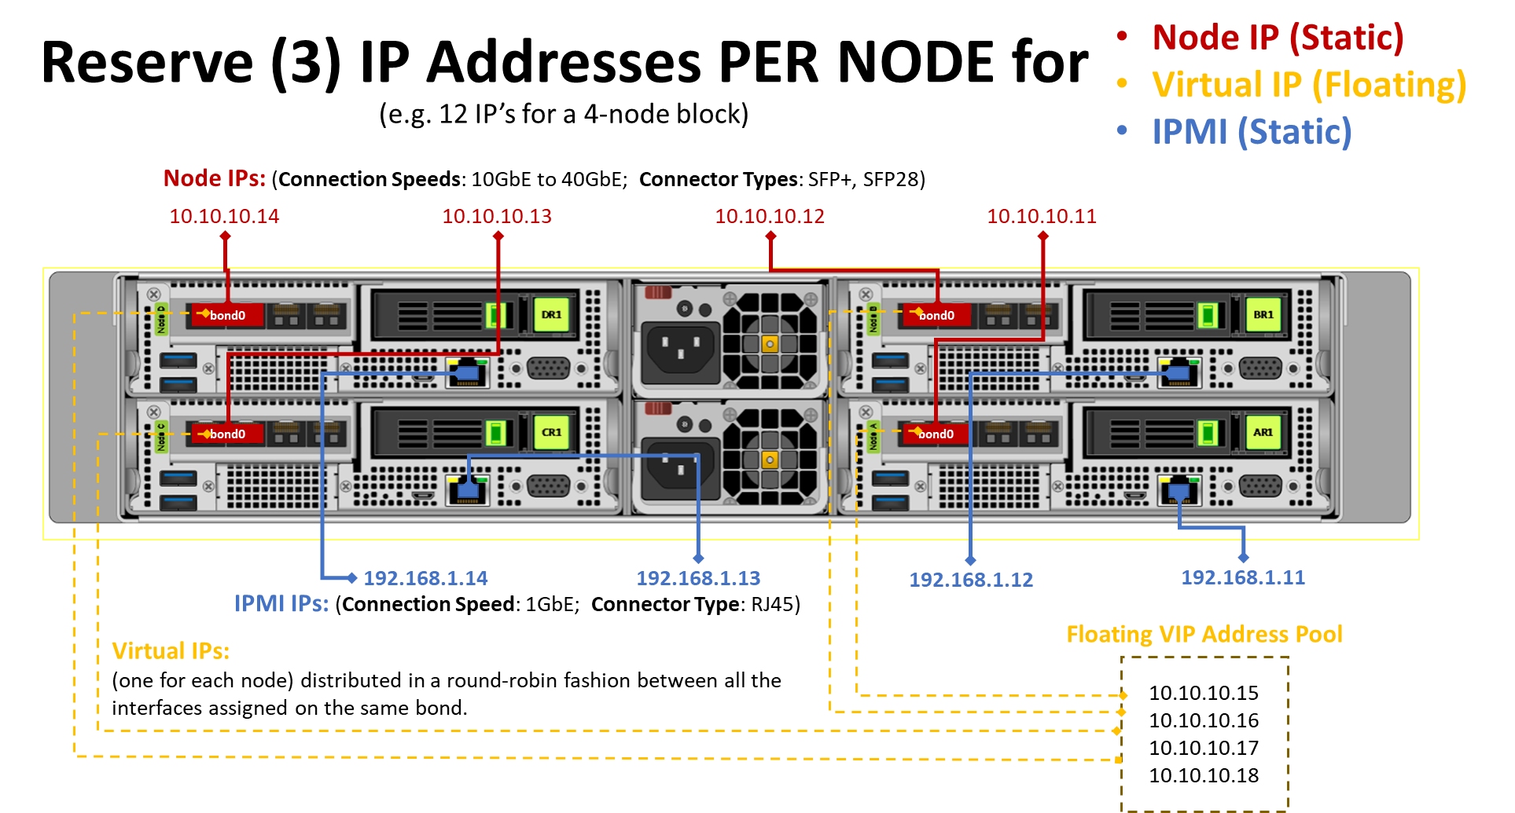
f. | Data Network Ports/Cables/SFPs | FALSE | = number of ports/cables/connectors needed for Physical Interface Group. |  | * To get the best performance/redundancy, connect half of the 10GbE ports to one switch and the other half to a second switch in the same broadcast domain. Note: See Cabling tab for cabling Best Practices.
g. | Mgmt (IPMI) Network Port/Cables (OPTIONAL) | RJ45 (1GbE) | Optional
h. | IP Address # reservations needed > > > | 0 | + additional IP Addresses for each optional secondary interface. | > > > See Network Diagram at right for more information. > > >
WARNING - Confirm installation voltage compatability - See vendor specifications. For Cohesity hardware, see Cabling tab for model specifications.
4. Initial Switch / Network Settings (Primary Interface for Cluster Traffic)
a. | Have switch ports been allocated, configured and cabled? |  | If not, please provide contact name and time availability of admin.
b. | Have the new IPs been added to all appropriate firewall rules (NTP, DNS, AD, SMTP)? |  | IMPORTANT: See Firewall Port Requirements tab.
c. | Do we have internet access?
d. | Does internet access use a proxy server? |  | If yes, provide Proxy Server info here > > >:
e. | Switch port configuration (Access or Trunk)?
f. | Primary interface VLAN ID (if non-native)? |  | If port is Trunk Port specify VLAN ID, if Access no VLAN ID required.
g. | Multicast Enabled? |  | Customer Network contact to answer this.
h. | Port Bonding? |  | Default is Active/Standby
i. | MTU Value? |  | Default is 1500
j. | Custom Network Requirements? |  | Describe any unique networking requirements.
5. Cluster Information and Network Set-Up
a. | Cluster Name |  | This name usually matches the short-name or FQDN or can also be a friendly name.
b. | Cluster Domain Name
c. | Cluster Fully Qualified Domain Name (FQDN) for Primary Interface |  | THIS MUST RESOLVE IN ROUND ROBIN DNS!! FQDN is needed in order to resolve all IP Addresses for VIPs. E.g., Proposed name of cluster + your company domain name.
e. | Node Subnet Gateway
f. | Node Subnet Mask |  | Subnet mask in form of IPv4. e.g. 255.255.255.0 or Prefix e.g. 24
g. | Virtual Interface (VIPs) Subnet Gateway |  | If different than Physical Node Gateway.
h. | Virtual Interface (VIPs) Subnet Mask |  | If different than Physical Node Subnet Mask.
i. | IPMI / Out of Band Mgmt Subnet Gateway
j. | IPMI / Out of Band Mgmt Subnet Mask
k. | DNS Server(s) |  | DNS must be configured to resolve the Cluster Partition FQDN to all below VIPs BEFORE beginning the cluster installation.
l. | NTP Server(s) |  | !!! Cluster build cannot proceed without access to an NTP server during the implementation session!!! Windows NTP Servers are not supported by default
m. | Enable NTP Authentication? |  | If NTP authentication is required, be prepared to provide SHA-1 key at time of installation.
n. | Search Domain Names (Optional) |  | Specify a domain search list for hostname lookup.
o. | Enable Encryption at Cluster Level? |  | MUST KNOW BEFORE BUILDING CLUSTER - CANNOT UNDO!!! Cluster encryption is enabled by default in the latest LTS release. Please verify that you wish to proceed with the default setting before continuing. To encrypt an entire Cohesity cluster, you must specify the encryption option while creating the Cohesity cluster. After a cluster has been created, cluster encryption is not editable.
p. | Enable Node-to-Node encryption?
q. | Key Rotation Period in Days? |  | The Rotation Period default value is 90 days.
6. IP Addresses (Node IP, IPMI IP and VIP) Note: 192.168.0.0/16 is default for App Mgmt. If you wish to use 192.168 subnet, see note below. *
N# | Node # | Node IP | IPMI IP | Virtual IP (VIP)
1 | Node 1
2 | Node 2
3 | Node 3
4 | Node 4
5 | Node 5
6 | Node 6
7 | Node 7
8 | Node 8
9 | Node 9
10 | Node 10
11 | Node 11
12 | Node 12
13 | Node 13
14 | Node 14
15 | Node 15
16 | Node 16
 | / / / Insert additional rows above,if needed \ \ \
 | * If you wish to use 192.168 subnet, see the following Cohesity Support article: | https://support.cohesity.com/s/article/Enabling-Apps-Management-returns-Error-subnet-is-not-in-the-private-subnet-address-space-RFC1918
7. Authentication
a. | Account for the IPMI or iRMC interface for each node in the Cohesity cluster (optional). |  | DO NOT ENTER PASSWORDS HERE!!!
b. | Cluster local administrator account | admin | Review password requirements
c. | Support user for local shell access | support | Review password requirements
d. | cohesity_console | cohesity_console | Review password requirements
Next - complete the Cluster_Config tab

Firewalls
Manage Firewall Ports (7.2.2)
You must open certain ports in the firewall to allow the Cohesity Cluster to transmit and receive data. You can isolate traffic on physical or logical networks to improve performance and security. The Cluster sends the following types of traffic over the network: • IPMI traffic for admins to access Nodes, typically for pre-boot BIOS access and post-boot console access. • Management traffic: - from Nodes to external services such as Active Directory, DNS, NTP and SNMP - for admins to access the Cohesity Cluster • Backup and restore traffic for moving data between protected Sources and the Cluster. • Replication traffic for replicating data from one Cluster to another Cluster. • Data access (NAS) traffic for accessing data on the Cluster by using protocols such as NFS, SMB or S3. • Archive and tiering traffic for moving data to external targets such as a cloud or tape system. • Support Channel traffic between Nodes and the Cohesity Support servers. • Internal traffic between Nodes in a Cluster. The following diagram shows the port requirements and directional flow for some of the traffic in a typical Cluster. More information is provided following the diagram.
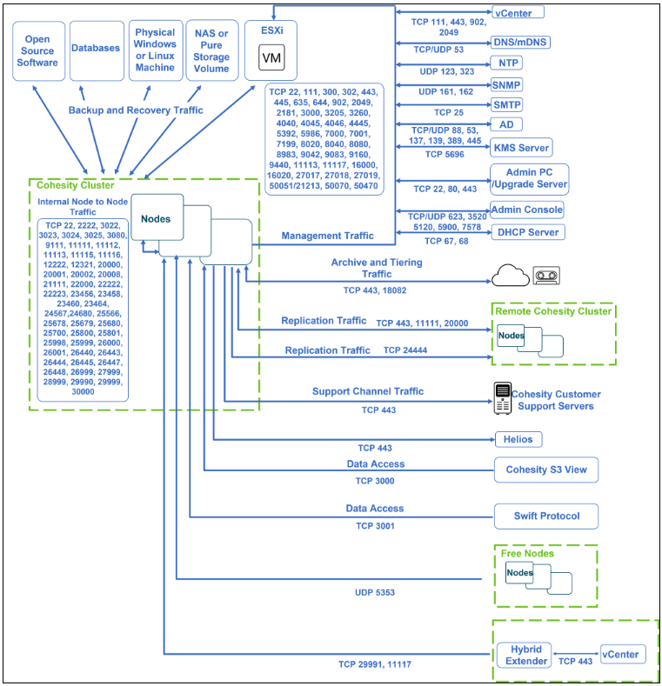

 | Using the Cohesity Dashboard or CLI, you can configure application-based firewall rules and manage incoming traffic on a Cohesity cluster. For more details, see Manage Application-Based Firewall Rules.
Identify Source IP of Outgoing Traffic
The source IP of outgoing traffic depends on the matching static route’s outgoing interface. If there is no static route, the source IP depends on the default route's outgoing interface. Use the route list command to view the list of routes configured on an interface in a Cohesity cluster and the IP address of the destination network.
In the following example, the route list command output shows the VLAN interface (intf_group1.100) of a cluster configured with the default route.
 | iris_cli route list
 | DEST NETWORK : 0.0.0.0/0
 | NEXT HOP : 10.1.100.1
 | INTERFACE GROUP NAME : intf_group1.100
 | For more details, see Add a Static Route.

Cluster Management
Cluster Upgrade
NOTE: | If the Cohesity cluster uses an interface with the node IP address to reach the external server or client, configure the firewall settings to allow the node IP addresses. If the Cohesity cluster uses an interface with only virtual IP addresses, configure the firewall settings to allow the virtual IP addresses. To identify whether the source IP is Static IP or Virtual IP for outgoing traffic, see Identify Source IP of Outgoing Traffic.

Outgoing Traffic
 | Source | Destination | Destination Port | Protocol | Usage Notes
 | Cohesity cluster | http://downloads.cohesity.com/oauth2/login | 443 | TCP | For cluster upgrade packages. You can select and download the version packages from downloads.cohesity.com, AWS location, or Cloudfront site. The cluster upgrade packages are hosted on the Amazon S3 CloudFront server to increase the download speed of release packages.

 |  | http://s3-us-west-2.amazonaws.com

 |  | Amazon CloudFront CDN (Content Delivery Network) Facility: http://dipowd173xxgy.cloudfront.net/

Agent Upgrade
Incoming Traffic
 | Source | Destination | Destination Port | Protocol | Usage Notes
 | Client | Cohesity cluster | 80,443 | TCP | For Agent upgrade from UI.

Troubleshooting

Incoming Traffic
 | Source | Destination | Destination Port | Protocol | Usage Notes
 | SSH client | Cohesity cluster | 22 | TCP | Support Channel used by Cohesity Support for troubleshooting
Networking
Agent Communication
Outgoing Traffic
 | Source | Destination | Destination Port | Protocol | Usage Notes | Type of Traffic
 | Cohesity cluster | Cohesity Agent | 50051* | TCP | Used for Cohesity Agent and Agent less data transfer to the cluster. Needs to be open on all nodes on the cluster and any backup target using the Cohesity Agent, such as SQL servers, physical servers and VMs running the Cohesity installed Agent. Cohesity clusters pick any available ephemeral port to initiate communication with the agent service via port 50051. The firewall needs to allow the connection request from the Cohesity nodes if the destination port is 50051. | Backup and Recovery
 |  |  |  |  | Cohesity clusters pick any available ephemeral port to initiate communication with the agent service via port 50051. The firewall needs to allow the connection request from the Cohesity nodes if the destination port is 50051.

Network Services

Incoming Traffic

 | Source | Destination | Destination Port | Protocol | Usage Notes | Type of Traffic
 | Cohesity cluster | DNS | 53 | TCP/UDP | DNS, if an external DNS server is configured. | Management
 | Cohesity cluster | DNS server | 5353 | UDP | mDNS multicasting.

Outgoing Traffic

 | Source | Destination | Destination Port | Protocol | Usage Notes | Type of Traffic
 | Cohesity cluster | External NTP Server (time.google.com ) | 123 | UDP | Requests to external NTP servers are sent via port 123. | Management
 |  |  | 323 |  | Required for cluster setup.

 |  |  |  |  | Chrony is the default implementation of NTP used by recent versions of CentOS and RHEL. Open port 323 if you want to use the chronyc tool to monitor the synchronization status of Chrony and make changes if necessary.

Bidirectional Traffic
 | Source | Destination | Destination Port | Protocol | Usage Notes | Type of Traffic
 | Cohesity cluster | Cohesity cluster | 123 | UDP | Time synchronization among Cohesity nodes during node-to-node communication is implemented via port 123.
 | Cohesity cluster | DNS | 53 | TCP/UDP | Required if an internal DNS server is configured. | Management
 | Cohesity cluster | Cohesity cluster | 5353 | UDP | mDNS multicasting.

Cohesity IPMI Network

Incoming Traffic
 | Source | Destination | Destination Port | Protocol | Usage Notes | Type of Traffic
 |  |  | 80, 443 |  | Required for HTTP and HTTPS
 | Admin (Browser) | Cohesity IPMI address on each node | 3520, 5900 | TCP | Required for IKVM web browser access | Management and IPMI

Bidirectional Traffic
 | Source | Destination | Destination Port | Protocol | Usage Notes | Type of Traffic
 | Cohesity cluster (bond0 on each node) | Cohesity IPMI address on each node | 623 | UDP | IPMI, Intel standard manageability port. | IPMI
 |  |  | 7578 | TCP
 | Admin |  | 5120 | UDP/TCP | Required for virtual media mount.

SMB and NFS Media Servers

Incoming Traffic
 | Source | Destination | Destination Port | Protocol | Usage Notes | Type of Traffic
 | NFS Clients | Cohesity NFS target | 2049 | TCP | Required for NFS | Data Protection
 | SMB Clients | Cohesity SMB target | 445 |  | SMB filer functionality. SMB and SMB2 restore. | Data Access

NFS For Cohesity Views

Bidirectional Traffic
 | Source | Destination | Destination Port | Protocol | Usage Notes | Type of Traffic
 | NFS Client | Cohesity cluster (with NFS server) | 2049 (NFS server), 111 (port mapper) | NFS | Port 111 needs to be open on the NFS client and server. | Required for mounting the Backup and recovery views.
 |  |  |  |  | NFS Linux clients do not need any additional configuration on the Cohesity cluster

DHCP Server

Bidirectional Traffic
 | Source | Destination | Destination Port | Protocol | Usage Notes | Type of Traffic
 | Cohesity cluster | DHCP Server | 67, 68 | TCP | Required for DHCP. | Management
 |  |  |  |  | Required for SMB and ICMP.

SNMP

Incoming Traffic
 | Source | Destination | Destination Port | Protocol | Usage Notes | Type of Traffic
 | SNMP | Cohesity cluster | 161 | UDP | SNMP, if the cluster is configured to use SNMP. | Management

Outgoing Traffic

 | Source | Destination | Destination Port | Protocol | Usage Notes | Type of Traffic
 | Cohesity cluster | Network Management System (NMS) | 162 | UDP | SNMP, if the cluster is configured to use SNMP traps. | Management

SMTP

Outgoing Traffic
 | Source | Destination | Destination Port | Protocol | Usage Notes | Type of Traffic
 | Cohesity cluster | SMTP server | Frequently opened ports on the SMTP server are either 25 or 465 or 587 | TCP | Depends on the port setting on the SMTP server. If SMTP opens a random port, the same port must be opened on the Cohesity cluster. | Management

Virtualization

VMware

Incoming Traffic
 | Source | Destination | Destination Port | Protocol | Usage Notes | Type of Traffic
 | ESXi host | VIPs and VLAN IPs on Cohesity cluster | 111 | TCP | Required for VMDK restore with Instant Recovery | Recovery
 |  |  | 2049 |  | Required for VMDK Restore
 |  |  |  |  | Required for Test &Dev clone
 |  |  |  |  | Required for File Recovery and Instant Volume Mount for Windows VMs when using agent-based recovery

Outgoing Traffic
 | Source | Destination | Destination Port | Protocol | Usage Notes | Type of Traffic
 | Cohesity cluster | ESXi Host | 902 | TCP | Ensure that SSL communication for TCP port 902 to the ESXi host is enabled, otherwise backups will fail. | Backup and Recovery

Bidirectional Traffic
 | Source | Destination | Destination Port | Protocol | Usage Notes | Type of Traffic
 | Cohesity cluster | VMware vCenter | 443 | TCP | The Cohesity Dashboard uses HTTPS by default. Required for VMware API. | Backup and Recovery
 |  | VMware Standalone ESXi Host |  |  | Required for VMware Tools-based file and folder recoveries.
 |  | VMware vCloud Director |  |  | Required for HTTPS/HTTPS(TLS)
 |  |  |  |  | Required for VMware vRealize Automation (vRA) and Orchestration (vRO) integration.

Microsoft SCVMM and Hyper-V

Outgoing Traffic
 | Source | Destination | Destination Port | Protocol | Usage Notes | Type of Traffic
 | Windows machine with Cohesity Agent installed | SCVMM | 5986 | TCP | SCVMM machines can be LOCALHOST or remote targets. | Management
 |  | Hyper-V |  |  | Hyper-V host machine is LOCALHOST. | Backup and Recovery
 | Cohesity cluster | Host | 50051* | TCP | Required for both SCVMM machines and Hyper-V host machines. | Backup and Recovery

Incoming Traffic
 | Source | Destination | Destination Port | Protocol | Usage Notes | Type of Traffic
 | Cohesity cluster | Destination or target Windows machine | 445 (SMB), 135 (WMI) | TCP | Required for agentless file recovery | Backup and Recovery

Bidirectional Traffic
 | Source | Destination | Destination Port | Protocol | Usage Notes | Type of Traffic
 | Host | Cohesity cluster | 445 | TCP | Required by Hyper-V host to access SMB data. | Recovery

Nutanix Acropolis
Incoming Traffic

 | Source | Destination | Destination Port | Protocol | Usage Notes | Type of Traffic
 | Data Services IP and IP of all CVMs on the Nutanix cluster and Prism Central. | VIPs and VLAN IPs on Cohesity cluster | 111 2049 | TCP | Required for Instant Recovery | Backup and Recovery

Outgoing Traffic

 | Source | Destination | Destination Port | Protocol | Usage Notes | Type of Traffic
 | Cohesity cluster | Data Services IP and IP of all CVMs on the Nutanix cluster and Prism Central. | 9440 | TCP | Used for REST API calls | Backup and Recovery
 |  |  | 3205, 3260 |  | iSCSI port for AHV backups.

RHV

Bidirectional Traffic
 | Source | Destination | Destination Port | Protocol | Usage Notes | Type of Traffic
 | Host | Cohesity cluster | 50051* | TCP | Required for RHV host machines. | Backup and Recovery

Instant Volume Mount

Incoming Traffic

 | Source | Destination | Destination Port | Protocol | Usage Notes | Type of Traffic
 | ESXi host | VIPs and VLAN IPs on Cohesity cluster | 111, 2049 | TCP | Instant Volume Mount | Recovery

File Restore to Windows VM

Incoming Traffic
 | Source | Destination | Destination Port | Protocol | Usage Notes | Type of Traffic
 | ESXi host | VIPs and VLAN IPs on Cohesity cluster | 111, 2049 | TCP | File restore to Windows VM | Recovery

Bidirectional Traffic
 | Source | Destination | Destination Port | Protocol | Usage Notes | Type of Traffic
 | Host | Cohesity cluster | 50051* | TCP | Required for persistent agent workflow for File level recovery and IVM. | Recovery

File Restore to Linux VM

Incoming Traffic
 | Source | Destination | Destination Port | Protocol | Usage Notes | Type of Traffic
 | Linux VM | VIPs and VLAN IPs on Cohesity cluster | 111, 2049 | TCP | Required for file restore to Linux VM. | Recovery

Bidirectional Traffic
 | Source | Destination | Destination Port | Protocol | Usage Notes | Type of Traffic
 | Host | Cohesity cluster | 50051 | TCP | Required for Linux VM file restores. | Backup and Recovery

NAS

Isilon

Bidirectional Traffic
 | Source | Destination | Destination Port | Protocol | Usage Notes | Type of Traffic
 | Isilon | Cohesity cluster | 111 | TCP/UDP | Required for RPC connection. | Backup and Recovery
 |  |  | 300, 302, 304, 2049 |  | Required for NFS.
 |  |  | 8080 |  | Required for HTTP connection.
 |  |  | 443 | TCP | Required for HTTPS connection with Isilon.
 |  |  | 445 |  | Required for SMB.

NetApp

Bidirectional Traffic
 | Source | Destination | Destination Port | Protocol | Usage Notes | Type of Traffic
 | NetApp | Cohesity cluster | 111 | TCP/UDP | Required for RPC connection. | Backup and Recovery
 |  |  | 443 |  | Required for HTTPS connection with NetApp.
 |  |  | 635, 2049, 4045, 4046 |  | Required for NFS.
 |  |  | 445 | TCP | Required for SMB.
 |  |  | 1052, 10569 | TCP | Required for SnapDiff-based backup.
 |  |  | 3000 | TCP | Required by NetApp clusters to write to Cohesity S3 storage during SnapDiff backups.

Generic NAS

Bidirectional Traffic
 | Source | Destination | Destination Port | Protocol | Usage Notes | Type of Traffic
 | Generic NAS | Cohesity cluster | 111 | TCP/UDP | Required for RPC connection. | Backup and Recovery
 |  |  | 635 2049 |  | Required for NFS.
 |  |  | 445 | TCP | Required for SMB.

Pure FlashBlade and IBM Storage FlashSystem

Bidirectional Traffic
 | Source | Destination | Destination Port | Protocol | Usage Notes | Type of Traffic
 | Cohesity | Pure Storage | 3260, 3205 | TCP | iSCSI, and FC port for Pure Storage. | Backup and Recovery
 | Cohesity | IBM Storage FlashSystem | 3260, 7443 | TCP | 3260 port for iSCSI 7443 port for API | Backup and Recovery

Elastifile

Bidirectional Traffic
 | Source | Target | Destination Port | Protocol | Usage Notes | Type of Traffic
 | Elastifile | Cohesity cluster | 443 | TCP | Required for EMS/API operations. | Backup and Recovery
 |  |  | 111, 2049, 644, 4040, 4045 | TCP/UDP | Required for NFS Operations.

Databases
MS SQL Servers

Incoming Traffic
 | Source | Destination | Destination Port | Protocol | Usage Notes | Type of Traffic
 | Server | Cohesity cluster | 445 | TCP | Required for SQL servers. | Backup and Recovery
 | MS SQL server (any port) | Cohesity cluster | 11113, 11117 |  | Required for VDI-based backup and restore of MS SQL database (using RemoteWANSnapFS).
 | MS SQL server (any port) | Cohesity cluster | 11117 |  | Required for log backup and restore of MS SQL database.

Oracle

 | Source | Destination | Destination Port | Protocol | Usage Notes | Type of Traffic
 | Oracle Source (Cohesity Agent) | Cohesity cluster | 11113 | TCP | Source side deduplication for Oracle when using the Remote Adapter RMAN scriptx. Secure gRPC used by Oracle SBT. | Backup and Recovery
 | Oracle Source | Cohesity cluster | 11117 | TCP | Required from 6.8.1_u3 onwards with the introduction of secure gRPC for Oracle SBT. | Backup and Recovery

PostgreSQL

Incoming Traffic
 | Source | Destination | Destination Port | Protocol | Usage Notes | Type of Traffic
 | PostgreSQL | Cohesity cluster | 11113 | TCP/IP | Required for physical backups and recovery at the cluster level. | Backup and Recovery

Outgoing Traffic
 | Source | Destination | Destination Port | Protocol | Usage Notes | Type of Traffic
 | Cohesity cluster | PostgreSQL | 50051* | TCP/IP | Required for physical backups and recovery at the cluster level. | Backup and Recovery

SAP HANA
Incoming Traffic
 | Source | Destination | Destination Port | Protocol | Usage Notes | Type of Traffic
 | SAP HANA | Cohesity cluster | 11113 | TCP | Access to Cohesity views. | Backup and Recovery

Cassandra
Outgoing Traffic
 | Source | Destination | Destination Port | Protocol | Usage Notes | Type of Traffic
 | Cohesity cluster | Cassandra nodes | 22 | TCP | Required for Cassandra backup. | Backup and restore
 |  |  |  |  | Required for Cassandra optimized restore/DSE 6.x restore.
 |  |  | 7000 |  | Required for Cassandra bulk restore. | Restore
 |  |  | 7001 |  | Required for Cassandra bulk restore incase of ssl enabled cluster.
 |  |  | 7199 |  | Required for Cassandra repository registration. | Management
 |  |  |  |  | Required for Cassandra backup (snapshot operation).
 |  |  |  |  | Required for Fetching Cassandra configurations (list of nodes, token map etc).
 |  |  | 8983 |  | Required for Cassandra solr index management.
 |  |  | 9042 |  | Required for Cassandra backup.
 |  |  |  |  | Required for Cassandra restore.
 |  |  |  |  | Required for Cassandra source registration.
 |  |  | 9160 |  | Required for Cassandra bulk restore (DSE 4.x / Cassandra 2.x).

MongoDB

Outgoing Traffic
 | Source | Destination | Destination Port | Protocol | Usage Notes | Type of Traffic
 | Cohesity cluster | MongoDB Nodes | 27017, 27018, 27019 | TCP | Required for MongoDB backups and recovery. | Backup and Recovery

Open-Source Software Platform
Hadoop - HDFS
Outgoing Traffic
 | The following ports must be open to enable communication between Cohesity and Cloudera Data Platform 7.1.x. These are the default ports used. Refer the configuration in Cloudera Manager if you have overridden these ports.
 | Source | Destination | Destination Port | Protocol | Usage Notes | Type of Traffic
 | Cohesity cluster | Hadoop Primary node | 8020 | TCP | Required to connect to Namenode through native protocol | Backup and Recovery
 | Cohesity cluster | Hadoop Primary node | 9870 | TCP | Required to connect to Namenode through REST APIs (Non-SSL) | Backup and Recovery
 | Cohesity cluster | Hadoop Primary node | 9871 | TCP | Required to connect to Namenode through REST APIs (SSL) | Backup and Recovery
 | Cohesity cluster | Hadoop Primary node | 9864 | TCP | Required to connect to datanode through REST APIs (Non-SSL) | Backup and Recovery
 | Cohesity cluster | Hadoop Primary node | 9865 | TCP | Required to connect to datanode through REST APIs (SSL) | Backup and Recovery
 | Cohesity cluster | Hadoop Primary node | 9866 | TCP | Required to connect to datanode through native protocol | Backup and Recovery
 | Cohesity cluster | Hadoop Primary node | 9292 | TCP | HTTP port required to connect to KMS | Backup and Recovery
 | Cohesity cluster | Hadoop Primary node | 9294 | TCP | HTTP port required to connect to KMS | Backup and Recovery

Hadoop - Hive
Outgoing Traffic
 | The following ports must be open to enable communication between Cohesity and Cloudera Data Platform 7.1.x.
 | Source | Destination | Destination Port | Protocol | Usage Notes | Type of Traffic
 | Cohesity cluster | Hadoop Primary node | 9083 | TCP | Required to connect to Hive Metastore through the native protocol (Thrift) | Backup and Recovery

Hadoop - HBase
Outgoing Traffic

 | The following ports are required for Cloudera Data Platform 7.1.x.
 | Source | Destination | Destination Port | Protocol | Usage Notes | Type of Traffic
 | Cohesity cluster | Hadoop Primary node | 22001 | TCP | Required to connect to HMaster through native protocol | Backup and Recovery
 | Cohesity cluster | Hadoop Primary node | 22002 | TCP | Required to connect to HMaster through HTTP protocol | Backup and Recovery
 | Cohesity cluster | Hadoop Primary node | 22101 | TCP | Required to connect to Region server through native protocol | Backup and Recovery
 | Cohesity cluster | Hadoop Primary node | 22102 | TCP | Required to connect to Region server through HTTP protocol | Backup and Recovery
 | Cohesity cluster | Hadoop Primary node | 2181 | TCP | Required to connect to Zookeeper service through native protocol | Backup and Recovery

gRPC
Incoming Traffic
 | Source | Destination | Destination Port | Protocol | Usage Notes | Type of Traffic
 | Backup Target (any port) | Cohesity cluster | 11117 | TCP | Required for secure gRPC connections on cluster from backup target.

Kubernetes
Incoming Traffic
 | Source | Destination | Destination Port | Protocol | Usage Notes | Type of Traffic
 | Kubernetes cluster | VIPs on Cohesity cluster | 3000 | TCP | Velero S3 communication for metadata backup and restore. | Backup and Recovery

Outgoing Traffic
 | Source | Destination | Destination Port | Protocol | Usage Notes | Type of Traffic
 | Cohesity cluster | Kubernetes cluster api-address | 6443 | TCP | Kubernetes cluster and Velero API Access. For more details on Velero support, see the Considerations section. | Backup and Recovery
 | Cohesity cluster | Kubernetes cluster worker nodes | 32000 | TCP | Cohesity cluster to Cohesity Datamover communication | Backup and Recovery

S3 Compatible Storage
Bidirectional Traffic
 | Source | Destination | Destination Port | Protocol | Usage Notes | Type of Traffic
 | Cohesity cluster | Dell EMC ECS | 9021 | TCP | Required for backup | Backup and Recovery
 | Cohesity cluster | Pure Storage Flashblade | 443 | TCP | Required for backup | Backup and Recovery
 | Cohesity cluster | NetApp StorageGrid | 443 | TCP | Required for backup | Backup and Recovery
 | Cohesity cluster | IBM Cloud Object Storage | 443 | TCP | Required for backup | Backup and Recovery

Cloud VMs
Outgoing Traffic
 | Source | Destination | Destination Port | Protocol | Usage Notes | Type of Traffic
 | Cohesity cluster | AWS *amazonaws.com Azure Login.windows.net management.azure.com *.blob.core.windows.net GCP google.apis.com | 443 | TCP | Required for CloudSpin, CloudRetrieve, and Native Snapshot XL CE and NGCE deployment. Required for HTTPS connections. | Backup and Recovery
 | Cohesity cluster | Fleet instances | 50051 | TCP | Required for CloudSpin to AWS EC2. Required for Native Snapshot backup for AWS/GCP. | Backup and Recovery
 | Cohesity cluster | Cloud Source VMs | 50051 | TCP | Required for File Level Recovery from Native Snapshot backup. Required for Agent Protection and Restore for AWS EC2. Required for Agent Protection and Restore for Azure VM. | Backup and Recovery

Incoming Traffic
 | Source | Destination | Destination Port | Protocol | Usage Notes | Type of Traffic
 | Cloud Source VMs | Cohesity Cluster | 50051 | TCP | Required for File Level Recovery from Native Snapshot backup. Required for Agent Protection and Restore for AWS EC2. Required for Agent Protection and Restore for Azure VM. | Backup and Recovery

External Targets

Cloud Workflow
Incoming Traffic
 | Source | Destination | Destination Port | Protocol | Usage Notes | Type of Traffic
 | Cohesity cluster | Cohesity cluster | 29999 | TCP | Required for Archive Services. | Backup and Recover

Outgoing Traffic
 | Source | Destination | Destination Port | Protocol | Usage Notes | Type of Traffic
 | Cohesity cluster | AWS *amazonaws.com Azure *.blob.core.windows.net *vault.azure.net GCP google.apis.com | 443 | TCP | Required for CloudArchive, CloudTier. | Backup and Recovery

Cohesity S3 View
Incoming Traffic
 | Source | Destination | Destination Port | Protocol | Usage Notes | Type of Traffic
 | S3 Clients | Cohesity cluster | 3000 | TCP | Access to Cohesity views using S3 protocol. | Data Access

QStar
Bidirectional Traffic
 | Source | Destination | Destination Port | Protocol | Usage Notes | Type of Traffic
 | Cohesity cluster | QStar ASM host | 18082 | TCP | QStar External Target - Port number 18082 is set on the QStar host by default. If your QStar host is not using the default Web Services Port, update the port number. SOAP over HTTPS. | Backup and Recovery

Storage Arrays

Nimble Storage
Outgoing Traffic
 | Source | Destination | Destination Port | Protocol | Usage Notes | Type of Traffic
 | Cohesity cluster | Nimble Storage | 5392 | TCP | REST API | Backup and Recovery
 |  |  | 3260, 3205 |  | iSCSI port for Nimble Storage.

Pure Storage
Outgoing Traffic
 | Source | Destination | Destination Port | Protocol | Usage Notes | Type of Traffic
 | Cohesity | Pure Storage | 3260, 3205 | TCP | iSCSI port for Pure Storage. | Backup and Recovery
 | Cohesity | IBM Storage FlashSystem | 3260, 7443 | TCP | 3260 port for iSCSI 7443 port for API | Backup and Recovery

HPE Alletra Storage MP
Outgoing Traffic
 | Source | Destination | Destination Port | Protocol | Usage Notes | Type of Traffic
 | Cohesity cluster | HPE Alletra Storage MP | 443 | TCP | REST API | Backup and Recovery
 |  |  | 3260 |  | SCSI communication with HPE Alletra Storage MP

Active Directory
Microsoft Active Directory (RBAC)
Incoming Traffic
 | Source | Destination | Destination Port | Protocol | Usage Notes | Type of Traffic
 | Client | Cohesity | 53 | TCP/UDP | Serve DNS requests from an external source. | Management
 | Cohesity cluster | Active Directory | 445 | TCP | Required only when initially joining the Cluster to Active Directory.

Outgoing Traffic
 | Source | Destination | Destination Port | Protocol | Usage Notes | Type of Traffic
 | Cohesity cluster | Kerberos Key Distribution Center (AD) | 88 | TCP/UDP | Required for Keberos if the cluster is configured to use Active Directory. | Management
 |  | LDAP | 389 |  | Required if the cluster is configured to use Active Directory or LDAP. | Management
 |  | Active Directory | 137 | UDP | User and Computer Authentication and NetLogon, NetBIOS Name Resolution. Required only when initially joining the Cluster to Active Directory. | Management
 |  |  | 139 | TCP | Required only when initially joining the Cluster to Active Directory (for the NetBIOS session service). | Management

Microsoft Exchange Servers
 | No specific ports need to be opened to protect Microsoft Exchange Servers, provided the following requirements have been met as part of your cluster configuration:
 | The ports listed in the Physical Servers section are open to allow communication between your Physical Servers and Cohesity cluster for backup operations.
 | The ports listed in the SMB and NFS Media Servers section are open to allow communication between the Cohesity cluster and SMB clients for recovery operations.
 | The ports listed in Active Directorysection are open to allow communication between the Cohesity cluster and the Active Directory for recovery operations.

Physical Servers
Physical Server Backup
Bidirectional Traffic
 | Source | Destination | Destination Port | Protocol | Usage Notes
 | Mount Target | Cohesity cluster | 111 | TCP/UDP | NFS restores on Linux physical servers.

 | Local Host (Physical Windows or Linux Server) | Local Host (Physical Windows or Linux Server) | 59999 | TCP | Required only if local-to-local communication (used for self-monitoring and debugging purposes) is blocked by your firewall.

Outgoing Traffic
 | Source | Destination | Destination Port | Protocol | Usage Notes
 | Cohesity cluster | Physical Server with Cohesity Agent installed | 50051* | TCP | Linux and Windows physical server backups.

Bare Machine Recovery
CBMR
 | Port | Protocol | Source | Target | Usage Notes
 | 50051 | TCP | Cohesity cluster | Physical server | Backup operations.
 | 111, 2049 | TCP | Cohesity cluster | Physical server | NFS restore operations on a Linux server.
 | 445 | TCP | Cohesity cluster | Physical server | SMB restore operations on a Windows server.
 | 443 | TCP | Recovery environment | Cohesity cluster | To connect the CBMR recovery environment with the Cohesity cluster.
 | 50051* | TCP | Cohesity cluster | Recovery environment | To connect the CBMR recovery environment with the Cohesity cluster.

CoBMR
 | Port | Protocol | Source | Target | Usage Notes
 | 50051* | TCP | Cohesity cluster | Physical server | Backup operations.
 | 111, 2049 | TCP | Cohesity cluster | Physical server | NFS restore operations on a Linux server.
 | 445 | TCP | Cohesity cluster | Physical server | SMB restore operations on a Windows server.
 | 443 | TCP | Recovery environment | Cohesity cluster | Port 443 is only required to perform a CoBMR recovery. It is not required for backup.

 |  |  |  |  | You need this port open on the target system to which you are performing the recovery.
 | 50051* | TCP | Cohesity cluster | Recovery environment | To connect the CBMR recovery environment with the Cohesity cluster.

Key Management Service
KMS (Key Management Service)
Outgoing Traffic
 | Source | Destination | Destination Port | Protocol | Usage Notes | Type of Traffic
 | Cohesity cluster | SafeNet KeySecure server | 5696 | TCP | Required if the cluster is configured to use an external Key Management Service (KMS) such as SafeNet KeySecure. 5696 is the default KMIP port and can be changed when configuring the external KMS. For more information, see External Key Management Service. | Management

OpenStack Integration
Swift Protocol
Incoming Traffic
 | Source | Destination | Destination Port | Protocol | Usage Notes | Type of Traffic
 | Swift Clients | Cohesity cluster | 3001 | TCP | Access to Cohesity views using swift protocol. | Data Access

Helios Ports
Outgoing Traffic
 | Source | Destination | Destination Port | Protocol | Usage Notes
 | Cohesity cluster | https://helios.cohesity.com | 443 | TCP | SSL connection for Cohesity Support telemetry upload.
 |  | https://helios-data.cohesity.com |  |  | Standard Helios traffic is sent to helios.cohesity.com.
 |  |  |  |  | Query and API call traffic is sent to helios-data.cohesity.com.

DataHawk App
Outgoing Traffic
 | Source | Destination | Destination Port | Protocol | Usage Notes
 | Cohesity cluster | helios-data2.cohesity.com | 443 | TCP | Heartbeats and telemetry from DataHawk app to Cohesity Helios.
 | Cohesity cluster | helios-dc3p.cohesity.com |  | TCP | Classification heartbeats, telemetry, results from DataHawk app to Cohesity Helios.

MarketPlace Apps
Incoming Traffic
 | Source | Destination | Destination Port | Protocol | Usage Notes | Type of Traffic
 | HTTP client | Cohesity cluster | 61001 through 63786 | TCP | Used for Cohesity MarketPlace Apps, which are available from the MarketPlace and Helios. One port is dynamically assigned from this range for the user interface of each app instance. | Management

Multitenancy
Hybrid Extender
Incoming Traffic
 | Source | Destination | Destination Port | Protocol | Usage Notes | Type of Traffic
 | Hybrid Extender | DNS | 53 | TCP/UDP | DNS, if an external DNS server is configured. | Management
 | Client | Hybrid Extender | 53 |  | Serve DNS requests from an external source. | Management
 | SSH client | Hybrid Extender | 22 | TCP | Required for SSH server on Bifrost VM for Bifrost-RT | Management
 | Server | Hybrid Extender | 445 |  | Required for SQL servers. | Backup and Recovery
 | MS SQL server (any port) | Hybrid Extender | 11113, 11117 |  | VDI-based backup and restore of MS SQL database (using RemoteWANSnapFS) | Backup and Recovery
 | MS SQL server (any port) | Hybrid Extender | 11117 |  | Required for log backup and restore of MS SQL database. | Backup and Recovery
 | Hybrid Extender | Organization (Tenant) | 29994 |  | The internal port used on the organization's network for debugging and uploading the configuration file on the Hybrid Extender VM. | Management
 | NFS Clients | Hybrid Extender NFS target | 2049 |  | Required for NFS | Data Protection
 | SMB Clients | Hybrid Extender SMB target | 445 |  | SMB filer functionality. SMB and SMB2 restore. | Data Access
 | Linux VM | Hybrid Extender | 111, 2049 |  | File restore to Linux VM | Recovery
 | Hybrid Extender | Cohesity Cluster | 11117 |  | Required for Hybrid Extender with Oracle SBT | Backup and Recovery
 | ESXi host | Hybrid Extender | 111, 2049 |  | File restore to Windows VM | Recovery

Outgoing Traffic
 | Source | Destination | Destination Port | Protocol | Usage Notes | Type of Traffic
 | Hybrid Extender | NTP Server | 123 | UDP | NTP, if an external NTP server is configured. | Management
 | HTTP client | Hybrid Extender | 80 | TCP | HTTP | Management
 | Hybrid Extender | ESXi Host | 902 |  | Ensure that SSL communication for TCP port 902 to the ESXi host is enabled, otherwise backups will fail. | Backup and Recovery
 | Hybrid Extender | Active Directory | 137 |  | Required only when initially joining the Cluster to Active Directory. | Management
 | Hybrid Extender | Active Directory | 139 |  | Required only when initially joining the Cluster to Active Directory (for the NetBIOS session service). | Management
 | Hybrid Extender | Active Directory | 445 |  | Required only when initially joining the Cluster to Active Directory. | Management
 | Hybrid Extender | Kerberos Key Distribution Center (AD) | 88 | TCP/UDP | Required for Keberos if the cluster is configured to use Active Directory. | Management
 | Hybrid Extender | LDAP | 389 |  | Required if the cluster is configured to use Active Directory or LDAP. | Management
 |  | LDAPS | 636

Bidirectional Traffic
 | Source | Destination | Destination Port | Protocol | Usage Notes | Type of Traffic
 | Hybrid Extender | DHCP Server | 67, 68 | TCP | DHCP. | Management
 |  |  |  |  | SMB/ICMP
 | Hybrid Extender | VMware vCenter | 443 | TCP | The Cohesity Dashboard uses HTTPS by default. | Backup and Recovery
 |  | VMware Standalone ESXi Host |  |  | Required for Pure FlashBlade
 |  | VMware vCloud Director |  |  | Required for HTTPS/HTTPS(TLS).
 | Hybrid Extender | Cohesity cluster | 29991 | TCP | Used in a multi-tenant environment for interaction between the Hybrid Extender and Cohesity cluster. | Management
 | Hybrid Extender | Isilon | 111 | TCP/UDP | Required for RPC connection. | Backup and Recovery
 |  |  | 300, 302, 304, 2049 |  | Required for NFS.
 |  |  | 443 | TCP | Required for HTTPS connection with Isilon.
 |  |  | 445 | TCP | Required for SMB.
 |  |  | 8080 | TCP/UDP | Required for HTTP connection.
 | Generic NAS | Hybrid Extender | 111 | TCP/UDP | Required for RPC connection. | Backup and Recovery
 |  |  | 445 | TCP | Required for SMB.
 |  |  | 635, 2049 | TCP/UDP | Required for NFS.
 | Mount Target | Hybrid Extender | 111 | TCP/UDP | NFS restores on Linux physical servers. | Backup and Recovery
 | Host | Hybrid Extender | 50051* | TCP | Linux and Windows physical server backups. | Backup and Recovery
 |  |  |  |  | Use Node IP. If VLANs are configured, use VLAN VIPs.
 | Hybrid Extender | Cohesity cluster | 29991 | TCP | For Oracle Adapter Need this port for communication, And NFS ports for mounting the Backup/Recovery Views. | Backup and Recovery.
 | Host | Hybrid Extender | 50051 | TCP | Required for persistent agent workflow for File level recovery and IVM. | Recovery

Cohesity Node Detection
Incoming Traffic
 | Source | Destination | Destination Port | Protocol | Usage Notes | Type of Traffic
 | Cohesity cluster node or free node | Cohesity cluster | 5353 | UDP | Used for node discovery during cluster creation and code addition. | Management

Cohesity Support
Cohesity Support
Outgoing Traffic
 | Source | Destination | Destination Port | Protocol | Usage Notes
 | Cohesity cluster | support-connect.cohesity.com | 443 | TCP | For establishing an SSH reverse tunnel to the Support Channel server. Ensure to disable the SSL/TLS certificate inspection on the firewall.
 |  | support-connect-trust.cohesity.com | 443 | TCP | For establishing a secure tunnel for connecting to the Support Channel server. Ensure to disable the SSL/TLS certificate inspection on the firewall.
 |  | Cohesity cluster | 3022, 3023, 3024, 3025, 3080 | TCP | The primary node of the Cohesity cluster connects to the Support Channel server and the other nodes use these ports to communicate with the primary node. For more information, see Manage the Support Channel.

Internal Traffic
Internal Traffic Between Nodes
Incoming Traffic
 | Source | Destination | Destination Port | Protocol | Usage Notes
 | Cohesity cluster | Cohesity cluster | 2222 | TCP | As the support user, access the Host Shell via port 2222. Enabling Host Shell access requires generating and sharing the Support Token with Cohesity Support. For details, see Using the Secure Shell.
 | Cohesity cluster | Cohesity cluster | 9111 | TCP | Serviceability Service
 | Cohesity cluster | Cohesity cluster | 11112 | TCP | I/O Operations Service (Low Latency)
 | Cohesity cluster | Cohesity cluster | 11115 | TCP | Archive Helper Service
 | Cohesity cluster | Cohesity cluster | 11116 | TCP | I/O Operations Helper Service
 | Cohesity cluster | Cohesity cluster | 12222 | TCP | Distributed Key-Value Store Service
 | Cohesity cluster | Cohesity cluster | 12321 | TCP | Distributed Key-Value Store Helper Service
 | Cohesity cluster | Cohesity cluster | 20001 | TCP | NAS Backup Helper Service
 | Cohesity cluster | Cohesity cluster | 20002 | TCP | SMB Backup Helper Service v1
 | Cohesity cluster | Cohesity cluster | 21111 | TCP | Alert Service
 | Cohesity cluster | Cohesity cluster | 22222 | TCP | Cluster Configuration Manager Service
 | Cohesity cluster | Cohesity cluster | 22223 | TCP | Cluster Configuration Manager Service
 | Cohesity cluster | Cohesity cluster | 23458 | TCP | Cluster Health Monitor Service
 | Cohesity cluster | Cohesity cluster | 23460 | TCP | Support Automation & Proactive Wellness Service
 | Cohesity cluster | Cohesity cluster | 24567 | TCP | UI and REST API Helper Service
 | Cohesity cluster | Cohesity cluster | 24680 | TCP | Healer and Space Reclamation Service
 | Cohesity cluster | Cohesity cluster | 25566 | TCP | Cluster Metrics Service
 | Cohesity cluster | Cohesity cluster | 25678 | TCP | Hardware and Health Monitor Service
 | Cohesity cluster | Cohesity cluster | 25679 | TCP | Hardware and Health Monitor Helper Service
 | Cohesity cluster | Cohesity cluster | 25680 | TCP | Cluster Metrics Store Service
 | Client | Cohesity cluster | 25700 | TCP | Indexing Service
 | Cohesity cluster | Cohesity cluster | 25800 | TCP | Indexing Service
 | Cohesity cluster | Cohesity cluster | 25801 | TCP/UDP | Analytics & Indexing Service
 | Cohesity cluster | Cohesity cluster | 25998 | TCP | Marketplace Apps Service
 | Cohesity cluster | Cohesity cluster | 25999 | TCP | Indexing Helper Service
 | Cohesity cluster | Cohesity cluster | 26000 | TCP | Index Catalog Service v2
 | Cohesity cluster | Cohesity cluster | 26001 | TCP | Index Catalog Service v1
 | Cohesity cluster | Cohesity cluster | 26440 | TCP | Kubernetes Infra Management API Server
 | Cohesity cluster | Cohesity cluster | 26443 | TCP | Kubernetes API Server Load Balancer
 | Cohesity cluster | Cohesity cluster | 26444 | TCP | Kube Lifecycle Manager Service Peer Communication
 | Cohesity cluster | Cohesity cluster | 26445 | TCP | Kube Lifecycle Manager Service Client Communication
 | Cohesity cluster | Cohesity cluster | 26447 | TCP | Kubernetes API Server
 | Cohesity cluster | Cohesity cluster | 26448 | TCP | Kubelet API
 | Cohesity cluster | Cohesity cluster | 26999 | TCP | Reporting Service
 | Cohesity cluster | Cohesity cluster | 27999 | TCP | Reporting Service PostgreSQL
 | Cohesity cluster | Third-Party tools (for example Tableau, SSRS etc.) |  | TCP | Used for connections to Custom Reporting Database.
 | Cohesity cluster | Cohesity cluster | 30000 | TCP | Required for applying a patch.

Outgoing Traffic
 | Source | Destination | Destination Port | Protocol | Usage Notes
 | Cohesity cluster | Cohesity cluster | 3022, 3023, 3024, 3025, 3080 | TCP | For Cohesity cluster to communicate with the Teleport support server.
 |  |  |  |  | Make sure the Support Channel is enabled for the cluster (Settings > Summary).
 | Cohesity cluster | Cohesity cluster | 22222 | TCP | For Cohesity cluster Cloud Edition operations.

Bidirectional Traffic
 | Source | Destination | Destination Port | Protocol | Usage Notes
 | Cohesity cluster | Cohesity cluster | 22 | TCP | Support Channel used by Cohesity Support for troubleshooting.
 | Cohesity cluster | Cohesity cluster | 11113 | TCP | Source-side Deduplication Service
 | Cohesity cluster | Cohesity cluster | 22000 | TCP | Key Management Service
 | Cohesity cluster | Cohesity cluster | 23456 | TCP | Cluster configuration and cluster management traffic
 | Cohesity cluster | Cohesity cluster | 23464 | TCP
 | Cohesity cluster | Cohesity cluster | 28999 | TCP | Reporting Service
 | Cohesity cluster | Cohesity cluster | 29990 | TCP | Hybrid Extender Service

Cluster to Cluster Traffic
Bidirectional Traffic
 | Source | Destination | Destination Port | Protocol | Usage Notes
 | Cohesity cluster | Remote Cohesity cluster (target or receiving) | 443 | TCP | Required for replication pairing and ongoing secure communications between replication pairs.
 | Cohesity cluster | Remote Cohesity cluster (target or receiving) | 11111 | TCP | Required for I/O Service between all nodes and replication pairs when replication is enabled.
 | Cohesity cluster | Remote Cohesity cluster (target or receiving) | 23335 | TCP | If both the local and remote Cohesity clusters support TLS, port number 23335 is utilized for TLS communication during replication.
 | Cohesity cluster | Remote Cohesity cluster (target or receiving) | 23336 | TCP | If both the local and remote Cohesity clusters support TLS, port number 23336 is utilized for TLS communication during replication.
 | Cohesity cluster | Remote Cohesity cluster (target or receiving) | 20000 | TCP | Required for replication. Required for interaction handling between Cohesity and target backup systems.

Outgoing Traffic
 | Source | Destination | Destination Port | Protocol | Usage Notes
 | Cohesity cluster | Remote Cohesity cluster (target or receiving) | 24444 | TCP | Required for Health Check when replication is enabled on the Cohesity cluster.

Cohesity CLI Commands Used to Manage Firewall Ports
 | For on-premises clusters, you can use the following Cohesity CLI commands to manage the cluster firewall configuration. For more information, see Using the Cohesity CLI and List of Cohesity CLI Commands. The firewall commands use the following terminology: Active Cohesity rules are called an attachment. An attachment includes a profile and multiple ipsets. A profile is a group of TCP or UDP ports. An ipset is subnet with the format of <IP/prefix>. An attachment can be on one or more specific network interfaces or it can apply to all interfaces when no interface is specified.
 | CLI Command | Description
 | firewall-profile activate | Activates a profile on a list of interfaces with a list of ipsets.
 | firewall-profile add | Adds a collection of service ports with the protocol of each port for the firewall.
 | firewall-profile deactivate | Deactivates a list of active firewall profiles.
 | firewall-profile delete | Removes a list of firewall profiles.
 | firewall-profile list | Lists the groups of firewall profiles.
 | firewall-profile list-active | Lists all the active firewall profiles. Each attachment activates a profile on specific network interfaces and ipsets.
 | firewall-ipset list | Lists the IP sets for a firewall.
 | firewall-profile activate revert-to-default | Reverts all the firewall rules to the default settings.

 | To list the parameters for each command, type help after the firewall-profile <option> or firewall-ipset <option> for example:
 | admin@node-1> firewall-profile activate help

Cabling
Cabling a Cohesity Cluster
IMPORTANT: Cabling instructions vary significantly depending on the hardware type, connectors and available network connections. For a complete listing of hardware setup guides that include cabling instructions, please visit the following URL and select the Hardware Model > Model # Setup Guide
https://docs.cohesity.com/Setup/Welcome/InitialClusterSetup.htm
The Images below are for representation purposes only. Port layout and appearance will vary depending on the hardware model.

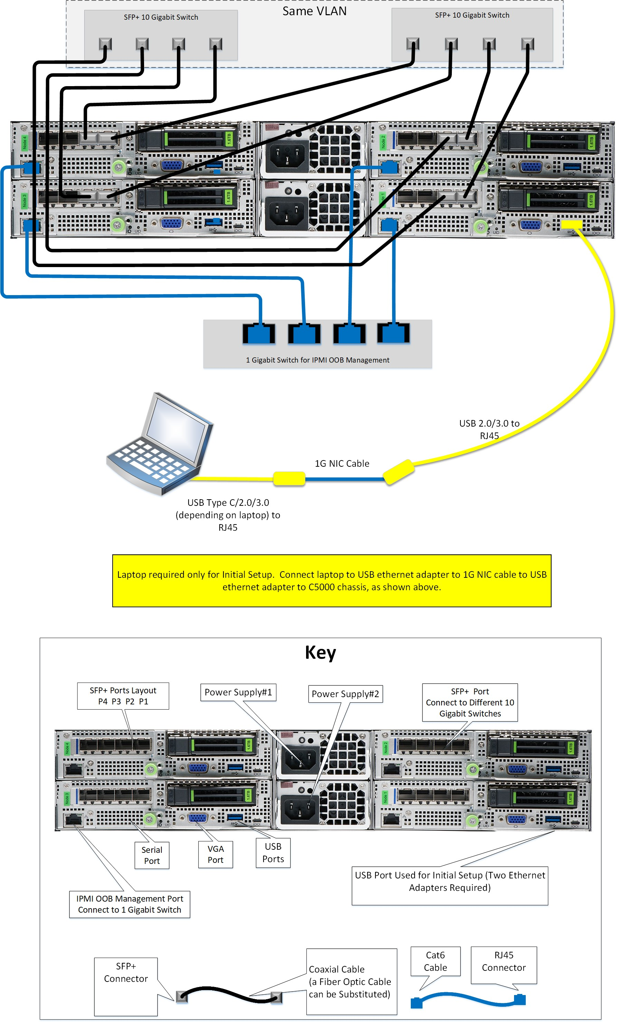
EXAMPLE: Cable C5000 Series with SFP+ 10 GbE Network Connections (PCIe Slot)
The following figure of the Cohesity cluster back panel shows how to cable SFP+ 10GbE network connections in the PCIe slot. See the instructions on how to cable the Cohesity cluster after the figure below. C5000 Series (NIC Type: SFP+; Slot: PCIe Slot)
When you receive your Cohesity C5000 Series appliance, you will find the SFP+ NICs installed in the PCIe slot. When you set up your appliance, you will use ports P1 and P2 to create bond0. The following table enumerates the port numbering on the NIC cards.
P4 P3 P2 P1
Port Numbering (Right to Left)

To cable the Cohesity cluster: 1. Connect four network cables to the 10GbE ports of a single switch. Connect the other ends of the four network cables to the left 10GbE ports of the Cohesity cluster as shown in the figure above. Note that you can substitute a Fiber Optic SFP+ cable for the coaxial cable. 2. Connect four network cables to the 10GbE ports of a different switch as shown in the figure above. Connect the other ends of the four network cables to the right 10GbE ports of the Cohesity cluster. 3. Connect the four blue Cat 6 network cables to 1GbE ports in a switch as shown in the figure above. Connect the other ends of the cables to the IPMI 1GbE ports in the Cohesity cluster. 4. Connect the power cables to two different power sources.
Note: Cohesity does not recommend having a Cohesity cluster with a mixture of nodes with SFP+ 10GbE ports and nodes with RJ45 10GbE ports. This is currently an untested configuration.

C5000 Series System Specifications
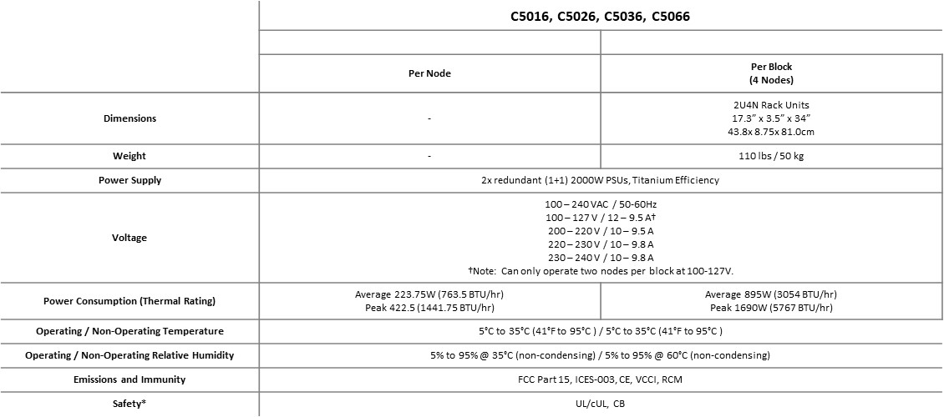

C6000 Series System Specifications
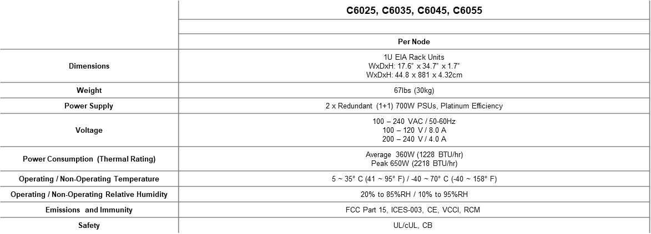

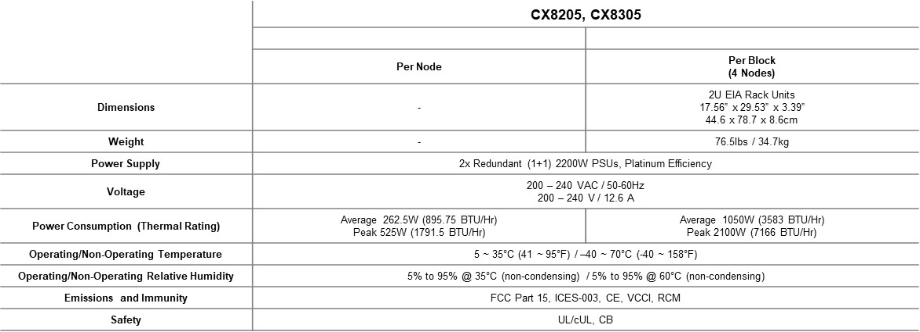
CX8000 Series System Specifications

Check_NTP
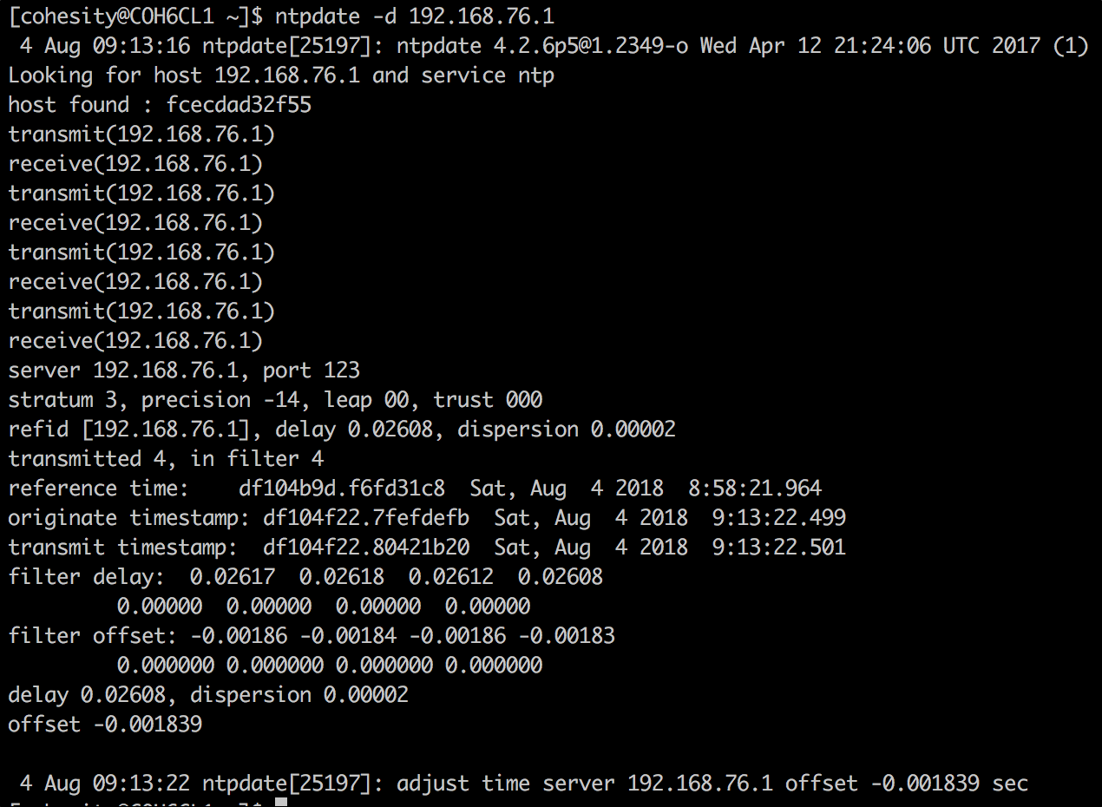
Check NTP
Creating a Cohesity cluster requires that NTP and DNS services are functioning and reachable from the network where the cluster will be located. This should be verified this as part of the installation worksheet.

 | To check NTP using a Mac host use the following command:
 | sntp <ntp server IP or FQDN>
 | A successful test will return output similar to the following screenshot:

 | To check NTP using a Windows host use the following command:
 | w32tm /stripchart /computer:<ntp server IP or FQDN>
 | A successful test will return output similar to the following screenshot:

 | To check NTP using a Linux host (Centos in this example) use the following command:
 | ntpdate -d <ntp server IP or FQDN>
 | A successful test will return output similar to the following screenshot:

